Figure 1
Funding to local actors: evidence from the Syrian refugee response in Türkiye
Chapter 2. Background
Figure 1
Total official development assistance grants to Türkiye, 2011–2020
Source: | Development Initiatives based on Organisation for Economic Co-operation and Development (OECD) Development Assistance Committee (DAC) Creditor Reporting System (CRS).
Notes: | Funding figures include disbursements from OECD DAC members, from multilateral organisations and from other government donors that voluntarily report their international assistance to the OECD DAC. Data is in constant 2020 prices.
Geographical information: | Türkiye
Author: | Fran Girling-Morris

 | 2011 | 2012 | 2013 | 2014 | 2015 | 2016 | 2017 | 2018 | 2019 | 2020
Humanitarian | 38 | 33 | 64 | 146 | 159 | 708 | 700 | 423 | 877 | 830
Development | 579 | 720 | 660 | 780 | 1,088 | 1,792 | 1,533 | 1,114 | 1,104 | 1,128
Total | 617 | 752 | 723 | 927 | 1,247 | 2,500 | 2,233 | 1,537 | 1,982 | 1,959

Figure 2
Funding to local actors: evidence from the Syrian refugee response in Türkiye
Chapter 2. Background
Figure 2
Total ODA to Türkiye 2011–2020, grants and loans
Source: | Development Initiatives based on OECD DAC Creditor Reporting System (CRS).
Notes: | Data is in constant 2020 prices. Funding figures include disbursements from OECD DAC members, from multilateral organisations and from other government donors that voluntarily report their international assistance to the OECD DAC. Data is in constant 2020 prices.
Geographical information: | Türkiye
Author: | Fran Girling-Morris

 | 2011 | 2012 | 2013 | 2014 | 2015 | 2016 | 2017 | 2018 | 2019 | 2020
ODA grants | 617 | 752 | 723 | 927 | 1,247 | 2,500 | 2,233 | 1,537 | 1,982 | 1,959
ODA loans | 832 | 2,802 | 2,803 | 2,672 | 3,175 | 2,267 | 2,681 | 2,710 | 1,726 | 712

Figure 3
Funding to local actors: evidence from the Syrian refugee response in Türkiye
Chapter 2. Background
Figure 3
Total grant funding to Türkiye for the Syrian refugee response by donor type, 2019–2020
Source: | Development Initiatives based on survey data provided directly by donors and intermediaries, Office for the Coordination of Humanitarian Affairs ( UN OCHA )’s UN Financial Tracking Service (FTS), OECD DAC Creditor Reporting System (CRS), International Aid Transparency Initiative (IATI) data and publicly accessible project lists for individual organisations.
Notes: | Unknown totals include funding based on intermediaries’ response budgets, where the source donor information was not provided. ‘Other donors’ category includes funding from global funds (the Central Emergency Response Fund and the Covid-19 Humanitarian Thematic Fund) and from private individuals and organisations. Data is in current prices.
Geographical information: | Türkiye
Author: | Carina Chicet

 | 2019 | 2020
EU institutions | 1,024 | 1,046
Governments | 314 | 424
Unknown | 25 | 139
Other donors | 0.9 | 3.7
Total funding to the response | 1,365 | 1,612

Figure 4
Funding to local actors: evidence from the Syrian refugee response in Türkiye
Chapter 2. Background
Figure 4
Total humanitarian and development grant funding to Türkiye for the Syrian refugee response, 2019–2020
Source: | Development Initiatives based on survey data provided directly by donors and intermediaries, UN Office for the Coordination of Humanitarian Affairs (UN OCHA)’s Financial Tracking Service (FTS), OECD DAC Creditor Reporting System (CRS), International Aid Transparency Initiative (IATI) data and publicly accessible project lists for individual organisations.
Notes: | The breakdown of humanitarian and development funding is based on self-reports by funding providers. The category ‘other’ refers to instances where donors opted to classify grant funding as neither development nor humanitarian funding for unknown reasons. The breakdown only reflects funding that has been classified by the respective donor. Data is in current prices.
Geographical information: | Türkiye
Author: | Carina Chicet

 | 2019 | 2020
Humanitarian | 65% | 48%
Development | 33% | 43%
Other | 2% | 9%

Figure 5
Funding to local actors: evidence from the Syrian refugee response in Türkiye
Chapter 2. Background
Figure 5
FRIT commitments by external financing instrument and by aid type
Source: | DI based on EU data, updated 31 January 2022.
Notes: | Commitments total EUR 3 billion for each tranche including additional support and operational lines. EUTF = EU Regional Trust Fund (Madad); HIP = Humanitarian Implementation Plan; IcSP = Instrument contributing to Stability and Peace; IPA = Instrument for Pre-accession Assistance.
Geographical information: | Türkiye
Author: | Fran Girling-Morris

By external financing instrument | FRIT 1 | FRIT 2
IPA | 1,305 | 1,910
HIP | 1,361 | 1,045
EUTF | 272 | -
IcSP | 3 | -

By aid type | FRIT 1 | FRIT 2
Development | 54% | 65%
Humanitarian | 46% | 35%

Figure 6
Funding to local actors: evidence from the Syrian refugee response in Türkiye
Chapter 2. Background
Figure 6
FRIT commitments by recipient, first and second tranche
Source: | DI based on EU data, updated 31 January 2022.
Notes: | Donor government agencies include the German Agency for International Cooperation (GIZ), Agence Française de Développement (AFD) and Expertise France. Two national actors were funded under the first FRIT tranche: the Association for Solidarity with Asylum Seekers and Migrants, and the Union of Chambers and Commodity Exchanges of Türkiye. FRIT = Facility for Refugees; IFI = international financial institution; INGO = international NGO; RCRC = International Red Cross and Red Crescent Movement, here includes funding to the International Federation of Red Cross and Red Crescent Societies and the Danish Red Cross.
Geographical information: | Türkiye
Author: | Fran Girling-Morris

By recipient | FRIT 1 | FRIT 2
UN | 1,430 | 479
Government of Türkiye | 660 | 875
IFIs | 640 | 972
INGOs | 129 | 86
Donor government agencies | 18 | 42
RCRC | 39 | 500
National | 25 | -

Figure 7
Funding to local actors: evidence from the Syrian refugee response in Türkiye
Chapter 3. Funding to local and national actors
Figure 7
Overall picture of funding flows for the Syrian refugee response
Total grant funding to Türkiye for the Syrian refugee response, by first - and second-level recipients (volumes), 2019-2020 aggregate
Source: | Development Initiatives based on survey data provided directly by donors and intermediaries, UN Office for the Coordination of Humanitarian Affairs (UN OCHA)’s Financial Tracking Service (FTS), OECD DAC Creditor Reporting System (CRS), International Aid Transparency Initiative (IATI) data and publicly accessible project lists for individual organisations.
Notes: | Data is in current prices. 'Other donors' category includes unknown, private individuals and organisations and other global pooled funding mechanisms. 'Other local and national actors' category includes professional associations and academic institutions. 'International (NGO and other)' category mainly includes INGOs and other bilateral actors such as the German Agency for International Cooperation (GIZ). IFIs = international financial institutions; RCRC = International Red Cross and Red Crescent Movement.
Geographical information: | Türkiye
Author: | Carina Chicet

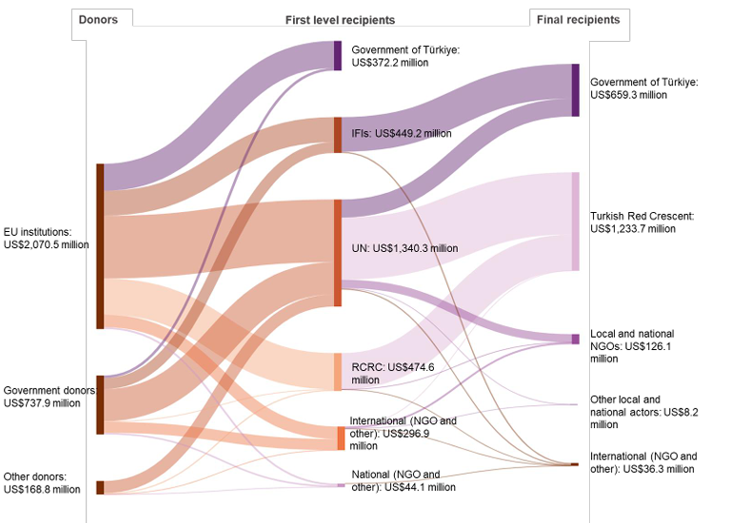
US$ millions | Donors | First-level recipients | US$ millions
2,070.5 | EU institutions | UN | 785.0
 |  | IFIs | 312.1
 |  | RCRC | 452.8
 |  | National (NGO and other) | 23.3
 |  | Government of Türkiye | 340.0
 |  | International (NGO and other) | 157.3
737.9 | Government donors | UN | 402.7
 |  | IFIs | 137.1
 |  | RCRC | 6.8
 |  | National (NGO and other) | 20.5
 |  | Government of Türkiye | 32.2
 |  | International (NGO and other) | 138.6
168.8 | Other donors | UN | 152.7
 |  | IFIs | -
 |  | RCRC | 14.9
 |  | National (NGO and other) | 0.3
 |  | Government of Türkiye | -
 |  | International (NGO and other) | 0.9

 |  | TOTAL First-level recipients | US$ millions
 |  | UN | 1,340.3
 |  | IFIs | 449.2
 |  | RCRC | 474.6
 |  | National (NGO and other) | 44.1
 |  | Government of Türkiye | 372.2
 |  | International (NGO and other) | 296.9

US$ millions | First-level recipients | Final recipients | US$ millions
1,127.8 | UN | International (NGO and other) | 14.0
 |  | Turkish Red Crescent | 778.1
 |  | Government | 225.9
 |  | Local and National NGOs | 102.6
 |  | Other local and national actors | 7.2
449.2 | IFIs | International (NGO and other) | 15.8
 |  | Turkish Red Crescent | -
 |  | Government | 433.4
 |  | Local and National NGOs | -
 |  | Other local and national actors | -
455.2 | RCRC | International (NGO and other) | 0.1
 |  | Turkish Red Crescent | 455.0
 |  | Government | -
 |  | Local and National NGOs | 0.2
 |  | Other local and national actors | -
1.0 | National (NGO and other) | International (NGO and other) | 1.0
 |  | Turkish Red Crescent | -
 |  | Government | -
 |  | Local and National NGOs | -
 |  | Other local and national actors | -
30.4 | International (NGO and other) | International (NGO and other) | 5.5
 |  | Turkish Red Crescent | 0.6
 |  | Government | -
 |  | Local and National NGOs | 23.3
 |  | Other local and national actors | 1.0

 |  | TOTAL Final recipients | US$ millions
 |  | International (NGO and other) | 36.3
 |  | Turkish Red Crescent | 1,233.7
 |  | Government | 659.3
 |  | Local and National NGOs | 126.1
 |  | Other local and national actors | 8.2

Figure 8
Funding to local actors: evidence from the Syrian refugee response in Türkiye
Chapter 3. Funding to local and national actors
Figure 8
Most direct funding for the refugee response in Türkiye is received by international actors
Direct recipients of grant funding for the Syrian refugee response in Türkiye, annual percentage shares, 2019–2020
Source: | Development Initiatives based on survey data provided directly by donors and intermediaries, UN Office for the Coordination of Humanitarian Affairs (UN OCHA)’s Financial Tracking Service (FTS), OECD DAC Creditor Reporting System (CRS), International Aid Transparency Initiative (IATI) data and publicly accessible project lists for individual organisations.
Notes: | Data is in current prices. ‘All other recipients’ category includes Turkish Red Crescent, academic institutions, local government, professional associations and other categories. RCRC = International Red Cross and Red Crescent Movement, here this includes funding to the International Federation of Red Cross and Red Crescent Societies, the German Red Cross and the Norwegian Red Cross.
Geographical information: | Türkiye
Author: | Carina Chicet

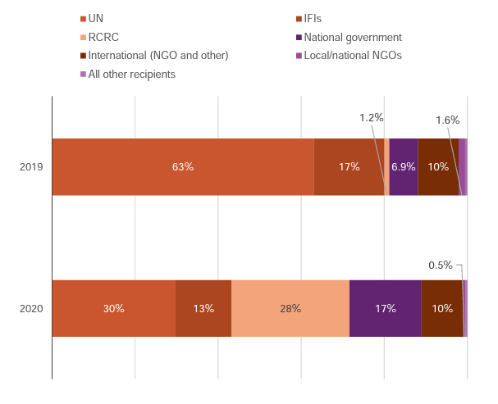
 | 2019 | 2020
UN | 63% | 30%
IFIs | 17% | 13%
RCRC | 1.2% | 28%
National government | 6.9% | 17%
International (NGO and other) | 10% | 10%
Local/national NGOs | 1.6% | 0.5%
All other recipients | 0.5% | 0.4%

Figure 9
Funding to local actors: evidence from the Syrian refugee response in Türkiye
Chapter 3. Funding to local and national actors
Figure 9
LNAs implement the majority of refugee programming yet are not able to access funding directly from donors
Total international funding by recipient type (direct and indirect), 2019–2020
Source: | Development Initiatives based on survey data provided directly by donors and intermediaries, UN Office for the Coordination of Humanitarian Affairs (UN OCHA)’s Financial Tracking Service (FTS), OECD DAC Creditor Reporting System (CRS), International Aid Transparency Initiative (IATI) data and publicly accessible project lists for individual organisations.
Notes: | ‘Other local/national actors’ includes local government, professional associations, academic institution and other categories.
Geographical information: | Türkiye
Author: | Carina Chicet

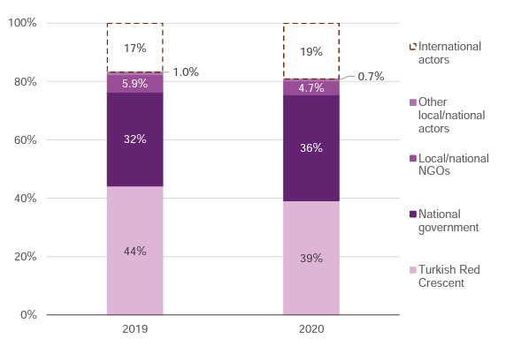
 | 2019 | 2020
Turkish Red Crescent | 44% | 39%
National government | 32% | 36%
Local/national NGOs | 5.9% | 4.7%
Other local/national actors | 1.0% | 0.7%
International actors | 17% | 19%

Figure 10
Funding to local actors: evidence from the Syrian refugee response in Türkiye
Chapter 3. Funding to local and national actors
Figure 10
Local NGOs, refugee-led and women’s organisations receive very small volumes of international funding
Total funding to local and national NGOs by NGO type (direct and indirect), 2019–2020
Source: | Development Initiatives based on survey data provided directly by donors and intermediaries, UN Office for the Coordination of Humanitarian Affairs (UN OCHA)’s Financial Tracking Service (FTS), OECD DAC Creditor Reporting System (CRS), International Aid Transparency Initiative (IATI) data and publicly accessible project lists for individual organisations.
Notes: | Data on the breakdown of funding to international actors by direct and indirect funding was not comprehensively provided. Data is in current prices. L/NNGO = local/national NGO.
Geographical information: | Türkiye
Author: | Carina Chicet

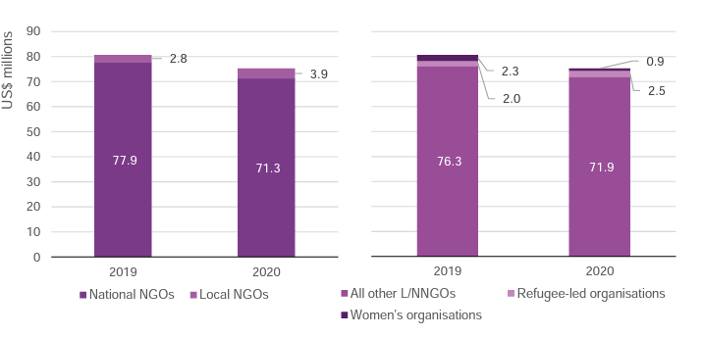
 | 2019 | 2020
National NGOs | 78 | 71
Local NGOs | 2.8 | 3.9

 | 2019 | 2020
Refugee-led organisations | 2 | 3
Women's organisations | 2 | 1
All other L/NNGOs | 76 | 72

Figure 11
Funding to local actors: evidence from the Syrian refugee response in Türkiye
Chapter 3. Funding to local and national actors
Figure 11
L/NNGOs receive most funding through the UN
Total direct and indirect funding to L/NNGOs by donor type, 2019–2020
Source: | Development Initiatives based on survey data provided directly by donors and intermediaries, UN Office for the Coordination of Humanitarian Affairs (UN OCHA)’s Financial Tracking Service (FTS), OECD DAC Creditor Reporting System (CRS), International Aid Transparency Initiative (IATI) data and publicly accessible project lists for individual organisations.
Notes: | This chart includes both direct and indirect funding to local/national NGOs. The ’International (other)’ category includes funding from international actors, here from the German Agency for International Cooperation (GIZ). The ‘Other donors’ category includes funding from private individuals and organisations and the International RCRC Movement.
Geographical information: | Türkiye
Author: | Carina Chicet

 | 2019 | 2020
UN | 61% | 71%
Government donors | 14% | 5%
EU institutions | 12% | 6%
International NGOs | 8% | 14%
International (other) | 4% | 4%
Other donors | 1% | 0%

Figure 12
Funding to local actors: evidence from the Syrian refugee response in Türkiye
Chapter 3. Funding to local and national actors
Figure 12
Most funding that is passed on by an intermediary is humanitarian assistance
Total grant funding for the Syrian refugee response by assistance type, 2020
Source: | Development Initiatives based on survey data provided directly by donors and intermediaries, UN Office for the Coordination of Humanitarian Affairs (UN OCHA)’s Financial Tracking Service (FTS), OECD DAC Creditor Reporting System (CRS), International Aid Transparency Initiative (IATI) data and publicly accessible project lists for individual organisations.
Notes: | ‘Other’ includes funding amounts from unknown donors and unknown budgets, used in the donors dataset to reconcile total funding.
Geographical information: | Türkiye
Author: | Carina Chicet

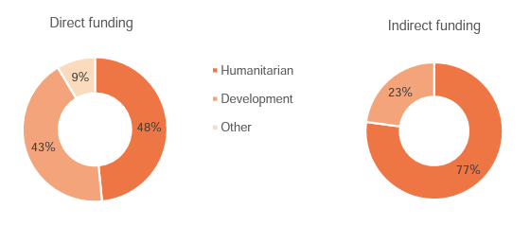
 | Direct funding | Indirect funding
Humanitarian | 48% | 77%
Development | 43% | 23%
Other | 9% | 0%

